NCHRP 25-42 - DECK DRAINS COST
Bridge Stormwater Runoff - Cost Analysis (NCHRP 25-42)

MONOSLOPE BRIDGE GEOMETRY
L = | 2067 ft |  |  |  | Bridge Length
W= | 44 ft |  |  |  | Bridge Deck Width
S = | 0.006 ft/ft |  |  |  | Deck Longitudinal Slope
Sx = | 0.020 ft/ft |  |  |  | Bridge Deck Cross Slope
T = | 10.00 ft |  |  |  | Shoulder Width
RAINFALL INTENSITY
n= | 0.016 | Manning's roughness coefficient
i= | 4.0 in/hr |  |  |  | Rainfall intensity
C = | 1 | Runoff Coefficient= 1.0 for bridge decks
Ci= | 4.0 in/hr
INLET DIMENSIONS (1.38ft Wide x 1.38ft Long) |  |  |  |  |  |  |  |  |  |  | Total Drainage System Cost
 |  |  |  |  |  |  |  |  |  |  | $282,892
Drain W = | 1.375 ft | Width of Inlet |  |  |  |  |  |  |  |  | Bridge Deck Surface Area
Grate Bar= | 0.188 ft | Deck Drain Grate Thickness |  |  |  |  |  |  |  |  | 90948 sf
 |  |  |  |  |  |  |  |  |  |  | Drainage System Unit Cost
 |  |  |  |  |  |  |  |  |  |  | 3.11 $/sf
 |  |  |  |  |  |  |  |  |  |  | DRAINAGE SYSTEM CONFIGURATION
Flow Capacity (Flowing Full) of Shoulder (T): |  |  |  |  | Check Longitudinal Bypass (Due to Legth of Inlet): |  |  |  |  |  | Determine maximum distance to first drain from BB
Qf = | 1.844 cfs |  |  |  | dc = | 0.200 ft | Depth at face of curb |  |  |  | LDD= | 913 ft |  |  |  | 46.977272727
Depth (Capacity) at Edge of Drain: |  |  |  |  | V = | 0.81 ft/s | flow velocity in feet per second |  |  |  | Determine maximum spacing between intermediate drains |  |  |  |  | $3.11/sf
d = | 0.173 ft |  |  |  | Lb = | 0.25 ft | length of clear opening. |  |  |  | S= | 238 ft
Flow Bypassing Grate: |  |  |  |  | OK - Longitudinal Flow Within Grate Length - No Bypass |  |  |  |  |  | Minimum Number of Inlets (Each Side of Bridge)
Qb = | 1.243 cfs |  |  |  | Deck Drain Efficiency = |  |  |  | 100% |  | N= | 5 inlets / Side of Bridge
Flow Within Grate Width: |  |  |  |  | Check Drain Pipe Bypass (Due to Capacity of 6" Dia Orifice): |  |  |  |  |  |  | (10 Total Number of Inlets)
Qg = | 0.602 cfs |  |  |  | c = | 0.75 ft | depth of inlet |  |  |  | Total Weight of Drainage System
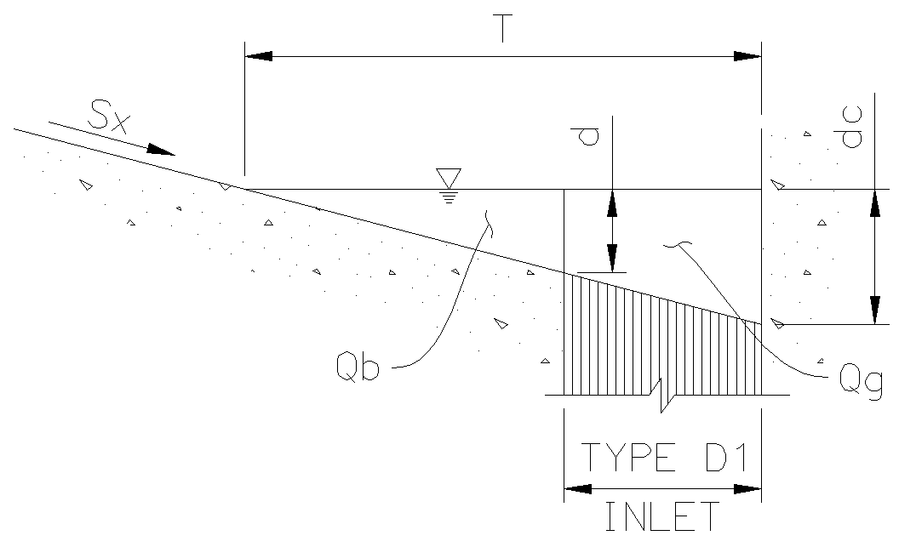
 |  |  |  |  | dw = | 0.94 ft |  |  |  |  | W= | 20946 lbs
 |  |  |  |  | Qn = | 1.039 cfs | Drain Pipe Flow Capacity |  |  |  | Drainage System Unit Cost (Including 10% Contingency)
 |  |  |  |  | OK - 6in Dia Drain Pipe will Not Produce Bypass Flow |  |  |  |  |  | UC= | 6.05 $/lbs
 |  |  |  |  |  |  |  |  |  |  | Pumping System Cost
 |  |  |  |  | SUMMARY FOR GUTTER FLOWING FULL |  |  |  |  |  | PS= | $ 14721 / Side of Bridge
 |  |  |  |  | Inlet Flow Intercept |  | Qg = | 0.602 cfs | (min)
 |  |  |  |  |  |  | Qg = | 1.039 cfs | (max)
 |  |  |  |  | Bypass Flow (due to "T" + Grate Length + Drain Pipe)
 |  |  |  |  |  |  | Qb = | 1.243 cfs | (max)
 |  |  |  |  |  |  | Qb = | 0.805 cfs | (min)

ANALYSIS ASSUMPTIONS AND LIMITATIONS
1. Analysis based on FHWA/AASHTO "Design of Bridge Deck Drainage - HEC 21" (May 1993).
2. Analysis produced for a typical bridge with a constant deck longitudinal slope and a deck drain system provided on both sides of the bridge. The collector pipe system is a welded steel pipe system with a minimum slope of 2%.
3. Deck Drain capacities are computed with a 0% clogging factor.
4. The deck runoff pumping system, required for a longitudinal deck slope smaller than 2%.
5. The pumping system (holding tank, submesible pump, backup pump, switches, bridge deck access and electrical equipment) are located inside the bridge (10'-0" max depth) at a unit cost of $10,000/cfs.

Bridge Stormwater Runoff - Cost Analysis (NCHRP 25-42)

Inlet # | Deck Inlet Station | Bridge Section Area | Inlet Flow Demand | Required Shoulder Width | Requiree Height of Curb | Intercepted Flow | By-Pass Flow | Flow in Collector Pipes | Collector Pipe Diameter | Collector Segment Lengths | Pipe Weights | Required No. of Hangers | Hangers Weight | Inlet Weights | Pumping System

1 | 1913 | 20086 sf | 1.844 cfs | 8.00 ft | 0.16 ft | 1.039 cfs | 0.805 cfs | 1.039 cfs | 8 in | - | 46 lbs | - | - | 150
2 | 2151 | 5233 sf | 0.481 cfs | 4.83 ft | 0.10 ft | 0.372 cfs | 0.108 cfs | 1.147 cfs | 8 in | 237.87 ft | 4376 lbs | 25 | 496 lbs | 150
3 | 2389 | 5233 sf | 0.481 cfs | 4.83 ft | 0.10 ft | 0.372 cfs | 0.108 cfs | 1.256 cfs | 8 in | 237.87 ft | 4376 lbs | 25 | 496 lbs | 150
4 | 2627 | 5233 sf | 0.481 cfs | 4.83 ft | 0.10 ft | 0.372 cfs | 0.108 cfs | 1.364 cfs | 8 in | 237.87 ft | 4376 lbs | 25 | 496 lbs | 150
5 | 2864 | 5233 sf | 0.481 cfs | 4.83 ft | 0.10 ft | 0.372 cfs | 0.108 cfs | 1.472 cfs | 8 in | 237.87 ft | 4376 lbs | 25 | 496 lbs | 150 | $ 14721

Bridge Stormwater Runoff - Cost Analysis (NCHRP 25-42)

Inlet # | Deck Inlet Station | Bridge Section Area | Inlet Flow Demand | Required Shoulder Width | Requiree Height of Curb | Intercepted Flow | By-Pass Flow | Flow in Collector Pipes | Collector Pipe Diameter | Collector Segment Lengths | Pipe Weights | Required No. of Hangers | Hangers Weight | Inlet Weights | Pumping System

Bridge Stormwater Runoff - Cost Analysis (NCHRP 25-42)

Inlet # | Deck Inlet Station | Bridge Section Area | Inlet Flow Demand | Required Shoulder Width | Requiree Height of Curb | Intercepted Flow | By-Pass Flow | Flow in Collector Pipes | Collector Pipe Diameter | Collector Segment Lengths | Pipe Weights | Required No. of Hangers | Hangers Weight | Inlet Weights | Pumping System

Bridge Stormwater Runoff - Cost Analysis (NCHRP 25-42)

Inlet # | Deck Inlet Station | Bridge Section Area | Inlet Flow Demand | Required Shoulder Width | Requiree Height of Curb | Intercepted Flow | By-Pass Flow | Flow in Collector Pipes | Collector Pipe Diameter | Collector Segment Lengths | Pipe Weights | Required No. of Hangers | Hangers Weight | Inlet Weights | Pumping System

Bridge Stormwater Runoff - Cost Analysis (NCHRP 25-42)

Inlet # | Deck Inlet Station | Bridge Section Area | Inlet Flow Demand | Required Shoulder Width | Requiree Height of Curb | Intercepted Flow | By-Pass Flow | Flow in Collector Pipes | Collector Pipe Diameter | Collector Segment Lengths | Pipe Weights | Required No. of Hangers | Hangers Weight | Inlet Weights | Pumping System

Bridge Stormwater Runoff - Cost Analysis (NCHRP 25-42)

Inlet # | Deck Inlet Station | Bridge Section Area | Inlet Flow Demand | Required Shoulder Width | Requiree Height of Curb | Intercepted Flow | By-Pass Flow | Flow in Collector Pipes | Collector Pipe Diameter | Collector Segment Lengths | Pipe Weights | Required No. of Hangers | Hangers Weight | Inlet Weights | Pumping System

Bridge Stormwater Runoff - Cost Analysis (NCHRP 25-42)

Inlet # | Deck Inlet Station | Bridge Section Area | Inlet Flow Demand | Required Shoulder Width | Requiree Height of Curb | Intercepted Flow | By-Pass Flow | Flow in Collector Pipes | Collector Pipe Diameter | Collector Segment Lengths | Pipe Weights | Required No. of Hangers | Hangers Weight | Inlet Weights | Pumping System

Bridge Stormwater Runoff - Cost Analysis (NCHRP 25-42)

Inlet # | Deck Inlet Station | Bridge Section Area | Inlet Flow Demand | Required Shoulder Width | Requiree Height of Curb | Intercepted Flow | By-Pass Flow | Flow in Collector Pipes | Collector Pipe Diameter | Collector Segment Lengths | Pipe Weights | Required No. of Hangers | Hangers Weight | Inlet Weights | Pumping System

Bridge Stormwater Runoff - Cost Analysis (NCHRP 25-42)

Inlet # | Deck Inlet Station | Bridge Section Area | Inlet Flow Demand | Required Shoulder Width | Requiree Height of Curb | Intercepted Flow | By-Pass Flow | Flow in Collector Pipes | Collector Pipe Diameter | Collector Segment Lengths | Pipe Weights | Required No. of Hangers | Hangers Weight | Inlet Weights | Pumping System

Bridge Stormwater Runoff - Cost Analysis (NCHRP 25-42)

Inlet # | Deck Inlet Station | Bridge Section Area | Inlet Flow Demand | Required Shoulder Width | Requiree Height of Curb | Intercepted Flow | By-Pass Flow | Flow in Collector Pipes | Collector Pipe Diameter | Collector Segment Lengths | Pipe Weights | Required No. of Hangers | Hangers Weight | Inlet Weights | Pumping System

Bridge Stormwater Runoff - Cost Analysis (NCHRP 25-42)

Inlet # | Deck Inlet Station | Bridge Section Area | Inlet Flow Demand | Required Shoulder Width | Requiree Height of Curb | Intercepted Flow | By-Pass Flow | Flow in Collector Pipes | Collector Pipe Diameter | Collector Segment Lengths | Pipe Weights | Required No. of Hangers | Hangers Weight | Inlet Weights | Pumping System
...

