based on distances
Directions:
-This tool provides a quick estimate of the expected increase in traffic noise due to reflections from a barrier on the opposite side of the road.
-Blue-shaded cells require user input, yellow-shaded cells allow for optional user inputs. The same units should be used for all distance inputs.
-Use the graph on the right to visually verify that input values match expectations.
Barrier Reflected Noise Screening Tool - Distances Input
 |  | slope = | -1.35 |  | offset
 |  | refl point x = | 125.92592593 |  | coordinates for plotting
 |  |  |  |  | x | y
 |  | xrange | yrange | source | 200 | 0
 |  | -300 | -220 | receiver | 0 | -70
 |  | 300 | 220 | barrier | -300 | 100
 |  |  |  |  | 300 | 100
 |  |  |  | direct | 200 | 0
 |  |  |  |  | 0 | -70
direct path length (perpendicular distance from traffic noise source to receptor -- see notes) [ft or m] | 70 |  |  | reflected | 200 | 0
distance from traffic noise source to barrier (assumes barrier with infinite length & height) [ft or m] | 100 |  |  |  | 125.92592593 | 100
source offset (distance up (-) or down (+) road) (optional -- see notes) [ft or m] | 200 |  |  |  | 0 | -70
direct path shielding amount (optional) [dB]
barrier reflected path shielding amount (optional) [dB]

Increase in sound due to reflections [dB] | 2.1
Notes & Assumptions:
-Estimates are based strictly on path lengths and geometrical spreading (cylindrical, assuming a line source). Other effects, such as meteorological and ground, are not included.
-This tool does not predict highway noise levels. Given a specific source location, it predicts the increase in that source's sound due to barrier reflections. This increase might not contribute to the overall sound level, considering other sound sources. For example:
-Background noise may be at a level higher than the direct path noise plus the
reflection increase. In cases where background noise is at least 10 dB greater than traffic
noise, barrier-reflected noise may be negligible.
-With a nonzero offset, the highway sound levels from the zero offset location (closest point
of the highway) may be higher than the offset direct path noise plus the reflected increase.
-Direct path length: It is recommended to use the centerline of all traffic lanes as the traffic noise source location. This will provide an approximation of the barrier reflection contribution for all lanes of traffic. For typical highways, this will be the center of the median, however, depending on the number of lanes in each direction and inside shoulder widths, the centerline may shift closer to the receptor or barrier. The direct path length should be the minimum distance between the centerline and the receptor (perpendicular distance). Note that barrier reflection effects can be estimated for individual traffic lanes by choosing that lane as a source location.
-Source offset: Some receptors do not have a noise barrier directly across the highway, however, they may experience an effect from up- or down-stream noise barriers. In such cases, a source offset can be applied to evaluate the effect of those barriers.
-Shielding: If there are features in the site geometry that potentially block or partially block the line-of-sight between the source and receptor or between the barrier and receptor, estimated shielding (reduction in sound due to feature, entered as a positive value) can be included in the calculations. Such features include edge of roadway cut, edge of elevated roadway, and safety barriers (greater than standard 32-inch safety barrier). (Example: for an approximate 42-inch median barrier, reflected noise could be shielded about 2 dB.)

based on coordinates
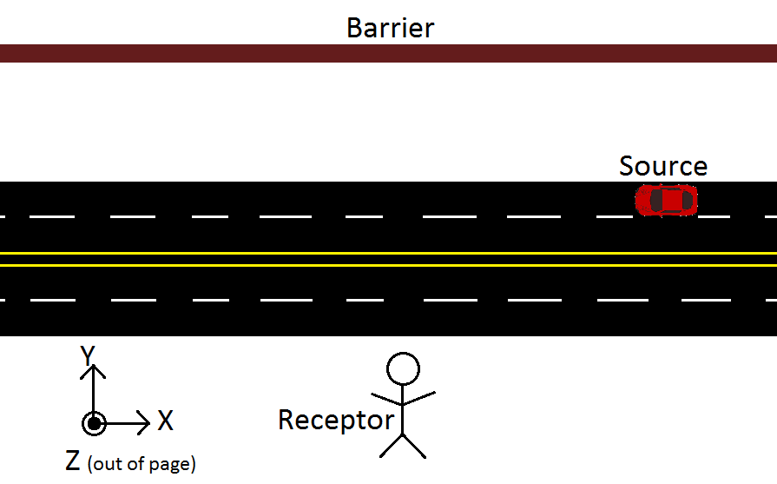
Directions:
-This tool provides a quick estimate of the expected increase in traffic noise due to reflections from a barrier on the opposite side of the road.
-Blue-shaded cells require user input, yellow-shaded cells allow for optional user inputs. The same coordinate system should be used for all inputs.
-Input the XYZ coordinates for the locations of the source, receptor, and barrier using the designations for each axes indicated in the graphic below.
-Use the graph on the right to visually verify that input values match expectations.
Barrier Reflected Noise Screening Tool - Coordinate Input |  |  |  |  | offset
 |  | xy slope = | -1.35 |  | coordinates for plotting
 |  | refl point x = | 125.92592593 |  | x | y
 |  |  |  | source | 200 | 0
 |  | xrange | yrange | receiver | 0 | -70
 |  | -300 | -220 | barrier | -300 | 100
 |  | 300 | 220 |  | 300 | 100
 |  |  |  | direct | 200 | 0
 |  | yz slope = | 0.018518518519 |  | 0 | -70
 |  | refl point z = | 1.8518518519 | reflected | 200 | 0
 |  |  |  |  | 125.92592593 | 100
 |  |  |  |  | 0 | -70

 | X (parallel to travel direction) | Y (perpendicular to travel direction) | Z (ground elevation) | Receptor height (above ground)
Source (see notes) | 200 | 0 | 0
Receptor | 0 | -70 | 0 | 5
Barrier (assumes barrier with infinite length & height) |  | 100

direct path shielding amount (optional) [dB]
barrier reflected path shielding amount (optional) [dB]

Notes & Assumptions:
-Estimates are based strictly on path lengths and geometrical spreading (cylindrical, assuming a line source). Other effects, such as meteorological and ground, are not included.
-This tool does not predict highway noise levels. Given a specific source location, it predicts the increase in that source's sound due to barrier reflections. This increase might not contribute to the overall sound level, considering other sound sources. For example:
-Background noise may be at a level higher than the direct path noise
plus the reflection increase. In cases where background noise is at
least 10 dB greater than traffic noise, barrier-reflected noise may be
negligible.
-With a nonzero offset, the highway sound levels from the zero offset
location (closest point of the highway) may be higher than the offset
direct path noise plus the reflected increase.
-Source: It is recommended to use the centerline of all traffic lanes as the traffic noise source location. This will provide an approximation of the barrier reflection contribution for all lanes of traffic. For typical highways, this will be the center of the median, however, depending on the number of lanes in each direction and inside shoulder widths, the centerline may shift closer to the receptor or barrier. The direct path length should be the minimum distance between the centerline and the receptor (perpendicular distance). Note that barrier reflection effects can be estimated for individual traffic lanes by choosing that lane as a source location.
-Shielding: If there are features in the site geometry that potentially block or partially block the line-of-sight between the source and receptor or between the barrier and receptor, estimated shielding (reduction in sound due to feature, entered as a positive value) can be included in the calculations. Such features include edge of roadway cut, edge of elevated roadway, and safety barriers (greater than standard 32-inch safety barrier). (Example: for an approximate 42-inch median barrier, reflected noise could be shielded about 2 dB.)
Increase in sound due to reflections [dB] | 2.1

