Instructions
Overview and Instructions:
This tool helps a user determine how walkable a urban arterial corridor is right now (before), vs. how walkable it will be after implementing the options the user describes in the tool (after). The goal is to create the chart shown at the right, revealing how the before and after design scores for walkability on a scale of 1-100.
The main interface with the tool is on the "Walkability User Interface" tab. A screenshot of the first portion of that tab is below. After naming a corridor on Row 2, describe the Before and After area type that the corridor presently supports, and that user hopes it can eventually support. After that, read each row and determine the before and after situation for that element of urban and corridor design (i.e., complete the grey boxes in Columns B and C). Click red triangles for guidance on specific topics.
The default settings are an example from Logan, Utah, where there is a proposal to convert their two-way Main Street into two one-way streets. A cross-section view of the proposal is shown below. The Evaluation tool reflects this diagram for Main Street. A second analysis would be required for the companion one-way street. For a given situation, it may help to design the before/after situation using www.StreetPlan.net, which allows a user to register a free account for designing cross-sections. Watch some of it's "How To" videos and click on question marks to quickly understand how to use StreetPlan.net. Contact them for help creating cross-sections or for help with this walkability score tool.
As the user fills in grey fields, the blue columns F and G show the before and after effect on walkability. Positive points = generally good for pedestrians; Negative = generally bad; 0=Neutral.
Worst = the worst that a corridor with similar lanes could possibly be in this category.
Best = the best that a corridor with similar lanes could possibly be.
Ave = usually the mid-point between worst and best, but often evaluated independently.
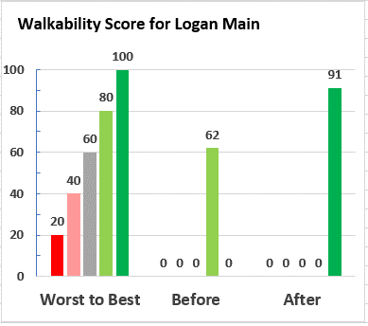

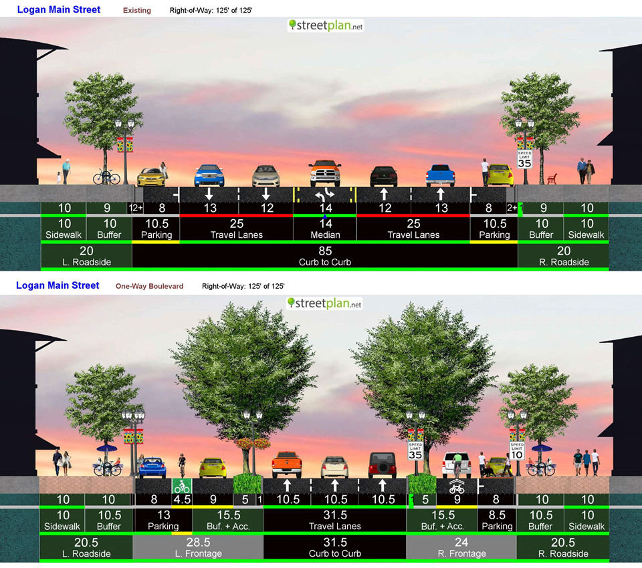
Before: Fairly walkable because it has wide sidewalks, great street trees, heavily utilized on-street parking, and other features.
After: Even better, because it has more space for streetscape amenities, dedicated bikeways, narrower lanes, traffic calming features, fewer lanes to cross, etc.

Walkability User Interface
Below are the ideal walkability settings for various features, along with minimum (and sometimes maximum) settings. These settings are used by vlookup functions to allocate walkability points for a before and after design (Blue columns F and G). Columns H, I, and J are "Worst, Average, and Best," and are used to frame the envelop of the worst points you could possibly get (sometimes negative points), and the most points you could get. The "Calculations" tab has more details on how points are determined.
Scroll down for bar chart with score |  | Short Name: | Logan Main |  |  |  |  |  |  | See Note |  | Short Name: | Alt 1 | Short Name: | Alt 2 |  |  |  | Comparisons | Yes or No | Area Types
 | A | B | C | D | E | F | G | H | I | J |  | B | C | B | C |  |  |  | Base | Yes | Industrial
1 | Corridor-Level Walkability Evaluation Tool |  |  |  |  | Walkability Scores (Scale of 1-100) |  |  |  |  |  |  |  |  |  |  |  |  | Build | No | Suburban
2 | Corridor: Logan Main Street, One-way Couplet (Before and After) | Before | After |  |  | 62 | 91 | 1 | 48 | 100 |  |  |  |  |  |  |  |  | Before |  | Urban
3 | Present Area Type and Desired or Likely Future Area Type (30-yrs out) | Suburban | Urban |  |  |  |  |  |  |  |  | Urban |  | Urban |  |  |  |  | After |  | Urban+
4 | Corridor involves mainly two-way or mainly one-way intersections? | 2 | 1 |  |  | Point Summary |  |  |  |  |  | 2 | 2 | 2 | 1 |  |  |  | Opt 1
5 | Design Attributes: Cross Section View | Before | After | Ok | Ideal | Before | After | Worst | Ave | Best |  | Before | After | Before | After |  |  |  | Opt 2
6 | Sidewalk Width, (FT) | 10 | 10 | 6 | 8 | 2 | 2 | -1 | 1 | 2 |  | 4 | 6 | 10 | 10 |  |  |  | Opt 3
7 | Buffer between sidewalk and curb edge (park strip / streetscape zone) | 9 | 10 | 6 | 10 | 3 | 4 | -4 | -1 | 2 |  | 4 | 6 | 9 | 10 |  |  |  | Opt 4
8 | Street trees near sidewalks (scale 1-5; 1=Worst poss, 5=Best poss) | 3 | 5 | 3 | 4 | 0 | 4 | -3 | 0 | 4 |  | 2 | 5 | 3 | 5 |  | Vlookup identifier (column 2 or 3)
9 | Street lights (scale 1-4; 1=Worst poss, 4=Best poss) | 3 | 4 | 3 | 4 | 0 | 1 | -1 | 0 | 1 |  | 2 | 4 | 3 | 4 |  | 2 | 3
10 | Lane Width (FT) | 12 | 10 | 11 | 10 | -2 | 2 | -2 | 0 | 2 |  | 12 | 10 | 12 | 10 | Scale 1-4 | Sidewalk Quality, Min | Sidewalk Quality, Ideal
11 | Lanes: number GP lanes each direction | 2 | 2 | 3 | 2 | 1 | 1 | 1 | 1 | 1 |  | 2 | 2 | 2 | 2 | Suburban | 3 | 4
12 | Bike Facilities (1=None, 2=Striped shoulder, 3=Protected) | 1 | 3 | 2 | 3 | -1 | 2 | -1 | 0 | 2 |  | 2 | 3 | 1 | 3 | Urban | 3 | 4
13 | Median (1=TWLTL, 2=Raised hardscape, 3=planted w/trees, 4=No Med) | 1 | 3 | 2 | 3 | -2 | 2 | 0 | 0 | 2 |  | 1 | 4 | 1 | 3 | Urban+ | 3 | 4
14 | Pedestrian Refuge in Median/Cross-Walk? | No | Yes | No | Yes | 0 | 2 | 0 | 0 | 2 |  | Yes | Yes | Yes | Yes
15 | Design, Cross-Section Subtotal |  |  |  |  | 1 | 20 | -11 | 1 | 18 |  |  |  |  |  | Feet | Sidewalk Width, Min | Sidewalk Width, Ideal
16 |  |  |  |  |  |  |  |  |  |  |  |  |  |  |  | Industrial | 4 | 6
17 | Design Attributes: Corridor Top View | Before | After | Ok | Ideal | Before | After | Worst | Ave | Best |  | Before | After | Before | After | Suburban | 5 | 6
18 | Sidewalk Quality (Scale 1-4: 1=No walk; 2=poor; 3=good; 4=great) | 4 | 4 | 3 | 4 | 3 | 3 | -6 | 0 | 3 |  | 2 | 3 | 4 | 4 | Urban | 6 | 8
19 | Driveways across sidewalks (1=Many, 2=Several, 3=Few) | 3 | 3 | 3 | 3 | 0 | 0 | -2 | -1 | 0 |  | 1 | 2 | 3 | 3 | Urban+ | 8 | 10
20 | Ped cross opportunity (in FT) | 700 | 350 | 660 | 500 | 1 | 2 | 0 | 1 | 2 |  | 1000 | 600 | 700 | 350
21 | On-Street Parking (See note) | Yes | Yes | No | Yes | 2 | 2 | 0 | 0 | 2 |  | Yes | Yes | Yes | Yes | Feet | Sidewalk Buffer, Min | Sidewalk Buffer, Ideal
22 | If two-way intersections, select dominant type (6 options, see note) | 5 |  |  |  | -1.5 | 0 | -3 | -1.5 | 3 |  | 5 | 3 | 5 |  | Industrial | 2 | 4
23 | If one-way intersections, select dominant type (8 options, see note) |  | 2 |  |  | 0 | 1 | 0 | 0 | 0 |  | 8 | 1 |  | 2 | Industrial | 3 | 4
24 | Design, Top-View Subtotal |  |  |  |  | 4.5 | 8 | -11 | -1.5 | 10 |  |  |  |  |  | Suburban | 4 | 8
25 |  |  |  |  |  |  |  |  |  |  |  |  |  |  |  | Urban | 6 | 10
26 | Operational Attributes: Speed, Transit | Before | After | Ok | Ideal | Before | After | Worst | Ave | Best |  | Before | After | Before | After | Urban+ | 8 | 12
27 | Speed frequently observed: (if faster than posted) | 40 | 35 | 35 | 30 | -5 | -2.5 | -7.5 | -2.5 | 0 |  | 40 | 35 | 40 | 35
28 | Transit peak period frequency (minutes - zero if no transit) | 30 | 30 | 30 | 15 | 2 | 2 | 1 | 2 | 3 |  | 30 | 30 | 30 | 30 | Scale 1-5 | Street Trees, Min | Street Trees, Ideal
29 | Transit: Free Fare? ("Yes" if Free or if Pass <= $50/yr; Otherwise "No") | No | No | No | Yes | 0 | 0 | 2 | 2 | 0 |  | No | No | No | No | Industrial | 2 | 3
30 | Transit: dedicated lane or HOV/HOT lane? | No | No | No | Yes | 0 | 0 | 0 | 0 | 2 |  | No | No | No | No | Suburban | 3 | 4
31 | Operational Attributes: Speed, Transit: Summary of Points |  |  |  |  | -3 | -0.5 | -4.5 | 1.5 | 5 |  |  |  |  |  | Urban | 3 | 4
32 |  |  |  |  |  |  |  |  |  |  |  |  |  |  |  | Urban+ | 3 | 4
33 | Neighborhood: Parking Regs, Network Type, Demographics | Before | After | Norm | Ideal | Before | After | Worst | Ave | Best |  | Before | After | Before | After
34 | Parking Policy (1=Significant required, 2=Not required, 3=Max allowed) | 2 | 2 | 1 | 2 | 0 | 0 | -2 | 0 | 2 |  | 1 | 2 | 2 | 2 | Scale 1-4 | Street Lights, Min | Street Lights, Ideal
35 | Network Type (1=Haphazard, 5=Tight Grid) | 5 | 5 | 2 | 5 | 4.5 | 4.5 | -1.5 | 1.5 | 4.5 |  | 4 | 4 | 5 | 5 | Industrial | 1 | 2
36 | Bldg & Zoning (1-4 options, See Note) | 3 | 4 | 3 | 4 | 4 | 5 | -5 | 0 | 5 |  | 4 | 4 | 3 | 4 | Suburban | 2 | 3
37 | Demographics, Leans Elderly? | Yes | Yes |  |  | 2 | 2 | -2 | 0 | 2 |  | Yes | Yes | Yes | Yes | Urban | 3 | 4
38 | Demographics, Leans Lower Income or young adult? | Yes | Yes |  |  | 2 | 2 | -2 | 0 | 2 |  | Yes | Yes | Yes | Yes | Urban+ | 4 | 4
39 | Neighborhood Attributes: Summary of Points |  |  |  |  | 12.5 | 13.5 | -12.5 | 1.5 | 15.5
40
41 | Normalize Scores on scale of 1-100 |  |  |  |  | Before | After | Worst | Ave | Best |  |  |  |  |  | Feet | Width Lanes, Max | Width Lanes, Ideal
42 | Raw scores before normalizing |  |  |  |  | 15 | 41 | -39 | 2.5 | 49 |  |  |  |  |  | Industrial | 12 | 12
43 | Normalized from 1 to 100 |  |  |  |  | 62 | 91 | 1 | 48 | 100 |  |  |  |  |  | Suburban | 12 | 11
 |  |  |  |  |  |  |  |  |  |  |  |  |  |  |  | Urban | 11 | 10
 | Set up calcs for determining walkability scores |  |  |  |  |  |  |  |  |  |  |  |  |  |  | Urban+ | 10 | 10
 | Diff between worst and best |  |  |  |  |  |  |  |  | 88
 | Average between worst and best |  |  |  |  |  |  |  |  | 4.75
 | Factor to get to 100 |  |  |  |  |  |  |  |  | 1.14
 | Set Worst = 0, and adjust everything upward by same amount. |  |  |  |  | 54 | 80 | 0 | 42 | 88 |  |  |  |  |  | Num Lanes | Number Lanes, Max | Number Lanes, Ideal
 |  |  |  |  |  |  |  |  |  |  |  |  |  |  |  | Industrial | 3 | 2
 |  |  |  |  |  | Before | After | Worst | Ave | Best |  |  |  |  |  | Suburban | 3 | 2
 | Factor everything as necessary to fit on a scale of 1-100 |  |  |  |  | 62 | 91 | 1 | 48 | 100 |  |  |  |  |  | Urban | 3 | 2

 | Set up title for Walkability Score Graphic
 | Walkability Score for Logan Main |  |  |  |  | Min | 0 | 21 | 41 | 61 | 81 |  |  |  |  | Urban+ | 3 | 2
 |  |  |  |  |  | Max | 20 | 40 | 60 | 80 | 100
Worst to Best | 20 | 40 | 60 | 80 | 100
Before | 0 | 0 | 0 | 62 | 0
After | 0 | 0 | 0 | 0 | 91
 |  |  |  |  |  | Score | 0-20 | 21-40 | 41-60 | 61-80 | 81-100 |  |  |  |  | Scale 1-3 | Bike facilities, OK | Bike facilities, Ideal
 |  |  |  |  | Worst to Best |  | 20 | 40 | 60 | 80 | 100 |  |  |  |  | Industrial | 1 | 2
 |  |  |  |  | Before | 62 |  |  |  | 62
 |  |  |  |  | After | 91 |  |  |  |  | 91 |  |  |  |  | Suburban | 2 | 3
 |  |  |  |  |  | Note: This is how you must configure a table in Excel for it to |  |  |  |  |  |  |  |  |  | Urban | 2 | 3
 |  |  |  |  |  | produce the graphic at the left. |  |  |  |  |  |  |  |  |  | Urban+ | 2 | 3

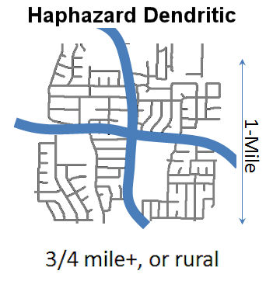
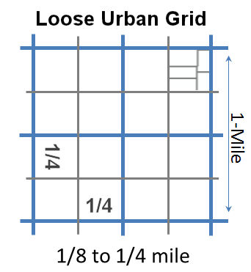
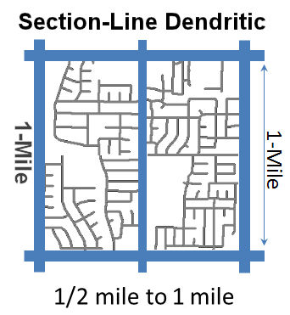
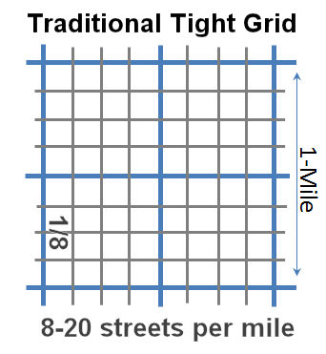
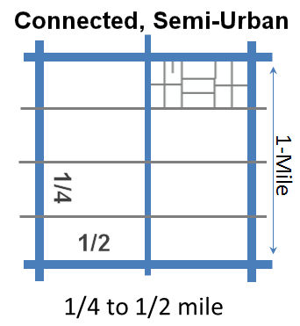
Net type 1: Worst for Walkability
Net type 2: Bad for Walkability
Net type 3: Good for Walkability
Net type 4: Good for Walkability
Net type 5: Great for Walkability
Source: StreetPlan.net
 |  |  |  |  |  |  |  |  |  |  |  |  |  |  |  | Scale 1-3 | Median Type, OK | Median Type, Ideal
 |  |  |  |  |  |  |  |  |  |  |  |  |  |  |  | Industrial | 2 | 2
 |  |  |  |  |  |  |  |  |  |  |  |  |  |  |  | Suburban | 2 | 3
 |  |  |  |  |  |  |  |  |  |  |  |  |  |  |  | Urban | 2 | 3
 |  |  |  |  |  |  |  |  |  |  |  |  |  |  |  | Urban+ | 2 | 3

 |  |  |  |  |  |  |  |  |  |  |  |  |  |  |  | Three Opts | Driveways, OK | Driveways, Ideal
 |  |  |  |  |  |  |  |  |  |  |  |  |  |  |  | Industrial | 1 | 2
 |  |  |  |  |  |  |  |  |  |  |  |  |  |  |  | Suburban | 2 | 2
 |  |  |  |  |  |  |  |  |  |  |  |  |  |  |  | Urban | 3 | 3
 |  |  |  |  |  |  |  |  |  |  |  |  |  |  |  | Urban+ | 3 | 3

 |  |  |  |  |  |  |  |  |  |  |  |  |  |  |  | Ft between | Ped Cross, OK | Ped Cross, Ideal
 |  |  |  |  |  |  |  |  |  |  |  |  |  |  |  | Industrial | 1330 | 800
 |  |  |  |  |  |  |  |  |  |  |  |  |  |  |  | Suburban | 800 | 660
 |  |  |  |  |  |  |  |  |  |  |  |  |  |  |  | Urban | 660 | 500
 |  |  |  |  |  |  |  |  |  |  |  |  |  |  |  | Urban+ | 500 | 300

 |  |  |  |  |  |  |  |  |  |  |  |  |  |  |  | MPH | Speed, OK | Speed, Ideal
 |  |  |  |  |  |  |  |  |  |  |  |  |  |  |  | Industrial | 45 | 40
 |  |  |  |  |  |  |  |  |  |  |  |  |  |  |  | Suburban | 40 | 35
 |  |  |  |  |  |  |  |  |  |  |  |  |  |  |  | Urban | 35 | 30
 |  |  |  |  |  |  |  |  |  |  |  |  |  |  |  | Urban+ | 30 | 25

 |  |  |  |  |  |  |  |  |  |  |  |  |  |  |  | Three Opts | Parking Policy, Norm | Parking Policy, Peds
 |  |  |  |  |  |  |  |  |  |  |  |  |  |  |  | Industrial | 1 | 1
 |  |  |  |  |  |  |  |  |  |  |  |  |  |  |  | Suburban | 1 | 2
 |  |  |  |  |  |  |  |  |  |  |  |  |  |  |  | Urban | 1 | 2
 |  |  |  |  |  |  |  |  |  |  |  |  |  |  |  | Urban+ | 1 | 2

 |  |  |  |  |  |  |  |  |  |  |  |  |  |  |  | Left Graphic | Network Type, Norm | Network Type, Peds
 |  |  |  |  |  |  |  |  |  |  |  |  |  |  |  | Industrial | 2 | 5
 |  |  |  |  |  |  |  |  |  |  |  |  |  |  |  | Suburban | 2 | 5
 |  |  |  |  |  |  |  |  |  |  |  |  |  |  |  | Urban | 2 | 5
 |  |  |  |  |  |  |  |  |  |  |  |  |  |  |  | Urban+ | 2 | 5

 |  |  |  |  |  |  |  |  |  |  |  |  |  |  |  | Four Opts | Bldg & Zoning, Norm | Bldg & Zoning, Ideal
 |  |  |  |  |  |  |  |  |  |  |  |  |  |  |  | Industrial | 1 | 2
 |  |  |  |  |  |  |  |  |  |  |  |  |  |  |  | Suburban | 2 | 2
 |  |  |  |  |  |  |  |  |  |  |  |  |  |  |  | Urban | 3 | 4
 |  |  |  |  |  |  |  |  |  |  |  |  |  |  |  | Urban+ | 3 | 4

Walkability Calculations
Columns C-F establish the point range available by area type. Columns H-I copy the desired future type from C-F, and then compare the user-supplied value to the minimum and ideal for that area type, to determine how many walkability points to award or subtract. Worst compares common conditions against the minimum standards, and issues negative points if below minimum and zero or positive if at or above minimum. Everything here is automatic and there shouldn't be a need for user interaction.
Urban
 | Industrial | Suburban | Urban | Urban+ | Before | After | Worst | Ave | Best | How this works: See Comment
Accumulated Points, Pre-Demographic | 6 | 15 | 16 | 6 | 5 | 30 | -30 | 3 | 38
Accumulated Points, Post-Demographic | 6 | 17 | 20 | 6 | 9 | 34 | -34 | 3 | 42

Design Attributes: Cross Section

Points = Actual minus minumum, but not more than the difference between min and ideal. Negative if actual < min. Pos if actual > min up to the ideal (no extra credit if above ideal)
Sidewalk Width, Actual | 4 | 4 | 4 | 8 | 10 | 10 | 5 | 7 | 8 | Red in before/after columns is linked to user input.
Sidewalk Width, Min | 4 | 5 | 6 | 8 | 6 | 6 | 6 | 6 | 6
Sidewalk Width, Ideal | 6 | 6 | 8 | 10 | 8 | 8 | 8 | 8 | 8
Sidewalk Width, Points Factor | 1 | 1 | 1 | 1 | 1 | 1 | 1 | 1 | 1
Sidewalk Width, Points | 0 | -1 | -2 | 0 | 2 | 2 | -1 | 1 | 2

Buffer between sidewalk and curb edge, Actual | 4 | 8 | 11 | 6 | 9 | 10 | 2 | 5 | 8
Buffer between sidewalk and curb edge, Min | 2 | 4 | 6 | 8 | 6 | 6 | 6 | 6 | 6
Buffer between sidewalk and curb edge, Ideal | 4 | 8 | 10 | 12 | 10 | 10 | 10 | 10 | 10
Buffer between sidewalk and curb, Points Factor | 1 | 1 | 1 | 1 | 1 | 1 | 1 | 1 | 1
Buffer between sidewalk and curb edge, Points | 2 | 4 | 4 | -2 | 3 | 4 | -4 | -1 | 2

Quality of sidewalk area street trees, Inputs (Formula results) | 4 | 4 | 4 | 4 | 3 | 5 | 4 | 4 | 4
Quality of sidewalk area street trees, Min | 2 | 3 | 3 | 3 | 3 | 3 | 3 | 3 | 3
Quality of sidewalk area street trees, Ideal | 3 | 4 | 4 | 4 | 4 | 4 | 4 | 4 | 4
Quality of sidewalk area street trees, Points Factor | 1 | 1 | 2 | 3 | 2 | 2 | 2 | 2 | 2
Quality of sidewalk area street trees, Points Awarded | 2 | 1 | 2 | 3 | 0 | 2 | 2 | 2 | 2

Quality of sidewalk area street trees, (Select best-fit option) | 4 | 4 | 4 | 4 | 3 | 5 | 1 | 3 | 5
1: Few trees: with random species, placement, and generally on private property | -1 | -2 | -3 | -3 | -3 | -3 | -3 | -3 | -3
2: Many trees: yet random species, placement, and generally on private property | 0 | -1 | -2 | -3 | -2 | -2 | -2 | -2 | -2
3: Some small trees, shrubs, flowers in ROW, but narrow space, poor growth. | 1 | 0 | 0 | 0 | 0 | 0 | 0 | 0 | 0
4: Many uniform trees, both sides: small when mature | 2 | 1 | 2 | 3 | 2 | 2 | 2 | 2 | 2
5: Many uniform trees, both sides: tall, large canopy when mature | 3 | 2 | 4 | 6 | 4 | 4 | 4 | 4 | 4
Quality of street trees within buffer, Points | 2 | 1 | 2 | 3 | 0 | 4 | -3 | 0 | 4

Quality of street lighting, Inputs (Formula Results) | 4 | 4 | 4 | 4 | 3 | 4 | 4 | 4 | 4
Quality of street lighting, Min | 2 | 2 | 3 | 4 | 3 | 3 | 3 | 3 | 3
Quality of street lighting, Ideal | 3 | 3 | 4 | 4 | 4 | 4 | 4 | 4 | 4
Quality of street lighting, Points Factor | 1 | 1 | 1 | 1 | 1 | 1 | 1 | 1 | 1
Quality of street lighting, Points | 2 | 2 | 1 | 0 | 0 | 1 | 1 | 1 | 1

Quality of street lighting, (Select best-fit option) | 4 | 4 | 4 | 4 | 3 | 4 | 2 | 3 | 4
1: No lighting of any sidewalk areas | -1 | -1 | -2 | -3 | -2 | -2 | -2 | -2 | -2 | Base score on scale of 1-4: 1 = No lighting of pedestrian areas; 2=Cobra-head lights, more for cars; 3=Artistic, ped-scale; 4=Artistic, with banners and/or plant hangers.
2: Cobra-head lights, more for autos than pedestrians | 0 | 0 | -1 | -2 | -1 | -1 | -1 | -1 | -1
3: Artistic, pedestrian-scale lighting | 1 | 1 | 0 | -1 | 0 | 0 | 0 | 0 | 0
4: Artistic, pedestrian-scale lighting, with banners and/or plant hangers | 2 | 2 | 1 | 0 | 1 | 1 | 1 | 1 | 1
Quality of street lighting, Points | 2 | 2 | 1 | 0 | 0 | 1 | -1 | 0 | 1

Width of travel lanes, Actual | 12 | 11 | 10 | 11 | 12 | 10 | 12 | 11 | 10
Width of travel lanes, Max | 12 | 12 | 11 | 10 | 11 | 11 | 11 | 11 | 11
Width of travel lanes, Ideal | 12 | 11 | 10 | 10 | 10 | 10 | 10 | 10 | 10
Width of travel lanes, Points Factor | 1 | 1 | 2 | 3 | 2 | 2 | 2 | 2 | 2
Width of travel lanes, Points | 0 | 1 | 2 | -3 | -2 | 2 | -2 | 0 | 2

Number of Thru-Lanes per Dir, Actual | 1 | 1 | 1 | 2 | 2 | 2 | 2 | 2 | 2
Number of Thru-Lanes per Dir, Max | 3 | 3 | 3 | 3 | 3 | 3 | 3 | 3 | 3
Number of Thru-Lanes per Dir, Normal | 2 | 2 | 2 | 2 | 2 | 2 | 2 | 2 | 2
Number of Thru-Lanes per Dir, Points Factor | 1 | 1 | 1 | 1 | 1 | 1 | 1 | 1 | 1
Number of Thru-Lanes per Dir, Points | 2 | 2 | 2 | 1 | 1 | 1 | 1 | 1 | 1

Bicycle facilities, User Input | 3 | 3 | 3 | 3 |  |  | 3 | 3 | 3
Bicycle facilities, Acceptable | 1 | 2 | 2 | 2 | 2 | 2 | 2 | 2 | 2
Bicycle facilities, Ideal | 2 | 3 | 3 | 3 | 3 | 3 | 3 | 3 | 3
Bicycle facilities, Points Factor | 1 | 1 | 1 | 1 | 1 | 1 | 1 | 1 | 1
Bicycle facilities, Points | 2 | 1 | 1 | 1 |  |  | 1 | 1 | 1

Bicycle facilities, User Input | 3 | 3 | 3 | 3 | 1 | 3 | 1 | 2 | 3
1: No Path | 0 | -1 | -1 | -1 | -1 | -1 | -1 | -1 | -1
2: Stripped lane near traffic | 1 | 0 | 0 | 0 | 0 | 0 | 0 | 0 | 0
3: Protected cycle track, on or near corridor | 2 | 1 | 2 | 2 | 2 | 2 | 2 | 2 | 2
Bike facilities, Points Awarded | 2 | 1 | 2 | 2 | -1 | 2 | -1 | 0 | 2

Median Type, User Input | 3 | 3 | 3 | 3 | 1 | 3 | 3 | 3 | 3
Median Type, Acceptable | 2 | 2 | 2 | 2 | 2 | 2 | 2 | 2 | 2
Median Type, Ideal | 3 | 3 | 3 | 3 | 3 | 3 | 3 | 3 | 3
Median Type, Points Factor | 1 | 1 | 2 | 2 | 2 | 2 | 2 | 2 | 2
Median Type, Points | 1 | 1 | 2 | 2 | -2 | 2 | 2 | 2 | 2

Median Type, User Input | 3 | 3 | 3 | 3 | 1 | 3 | 4 | 2 | 3
1: Uncontrolled TWLTL for most of length | -1 | -1 | -2 | -2 | -2 | -2 | -2 | -2 | -2
2: Raised median, but mainly hardscape in median | 0 | 0 | 0 | 0 | 0 | 0 | 0 | 0 | 0
3: Planted median with many trees in great soil | 1 | 1 | 2 | 2 | 2 | 2 | 2 | 2 | 2
4: No Median (one-way or simply no median) | 0 | 0 | 0 | 0 | 0 | 0 | 0 | 0 | 0
Median Type, Points Awarded | 1 | 1 | 2 | 2 | -2 | 2 | 0 | 0 | 2

Pedestrian Refuge in Median?, User Input | No | No | Yes | Yes | No | Yes | No | No | Yes | 1= Many crossings offer pedestrian refuge; 0 = few if any offer pedestrian refuge
Pedestrian Refuge in Median, Points Available | 1 | 1 | 2 | 2 | 2 | 2 | 2 | 2 | 2
Pedestrian Refuge in Median, Points Awarded | 0 | 0 | 2 | 2 | 0 | 2 | 0 | 0 | 2

Design, Cross-Section Subtotal | 11 | 11 | 15 | 5 | 1 | 20 | -11 | 1 | 18

Design Attributes: Corridor Top View

Quality of sidewalk, (Select best-fit option) | 1 | 1 | 1 | 1 | 4 | 4 | 1 | 3 | 4
1: No sidewalk - must use shoulder or dirt path | -2 | -4 | -6 | -8 | -6 | -6 | -6 | -6 | -6
2: Sidewalk, but pavement in poor condition | -1 | -2 | -3 | -4 | -3 | -3 | -3 | -3 | -3
3: Good condition, but plagued by dirt, gravel, adjacent weeds, etc. | 0 | 0 | 0 | 0 | 0 | 0 | 0 | 0 | 0
4: Great condition. Pathway and adjacent areas well maintained. | 1 | 2 | 3 | 4 | 3 | 3 | 3 | 3 | 3
Quality of sidewalk, Points Awarded | -2 | -4 | -6 | -8 | 3 | 3 | -6 | 0 | 3

Driveways across sidewalks, User Input | 3 | 3 | 3 | 3 | 3 | 3 | 1 | 2 | 3
1: Many driveways across sidewalks | 0 | -1 | -2 | -2 | -2 | -2 | -2 | -2 | -2
2: Several driveways across sidewalks | 1 | 0 | -1 | -1 | -1 | -1 | -1 | -1 | -1
3: Very few driveways across sidewalks | 2 | 1 | 0 | 0 | 0 | 0 | 0 | 0 | 0
Driveways across sidewalks, Points | 2 | 1 | 0 | 0 | 0 | 0 | -2 | -1 | 0

Ped cross opportunity (in ft), User input | 1300 | 600 | 600 | 400 | 700 | 350 | 1500 | 700 | 500
If safe ped crossings at least every 1320 ft (1/4 mile) | 1 | 1 | 1 | 1 | 1 | 1 | 1 | 1 | 1
If safe ped crossings at least every 660 ft (1/8 mile) | 1 | 1 | 1 | 1 | 1 | 1 | 1 | 1 | 1
Ped cross opportunity, Points awarded | 1 | 2 | 2 | 2 | 1 | 2 | 0 | 1 | 2

On-Street Parking?, User Input | No | No | Yes | Yes | Yes | Yes | No | No | Yes
Is on-street parking available and significantly utilized? | 1 | 1 | 2 | 2 | 2 | 2 | 2 | 2 | 2
Pedestrian Refuge in Median, Points Awarded | 0 | 0 | 2 | 2 | 2 | 2 | 0 | 0 | 2

Design, Top-View Subtotal | 1 | -1 | -4 | -6 | 4 | 5 | -8 | 0 | 5

Design Attributes, Top View, Intersections (Either 2-way or 1-way, but not both)
Enter 1 if corridor involves many one-way intersections; 2 if mainly two-way intersections |  |  |  |  | 2 | 1
If most common intersections are 2wy x 2wy, User Input | 6 | 2 | 5 | 4 | 5 | 0 | 6 | 5 | 3
6: Significant number of 4-phase, very large "double left" intersections | -2 | -2 | -3 | -4 | -3 | -3 | -3 | -3 | -3
5: Significant number of 4-phase, smaller "single left" intersections | -1 | -1 | -1.5 | -2 | -1.5 | -1.5 | -1.5 | -1.5 | -1.5
4: Significant number of 2 & 3-phase Alternative Intersections, but generally auto oriented | -1 | -1 | -1.5 | -2 | -1.5 | -1.5 | -1.5 | -1.5 | -1.5 | Auto oriented designs include Continuous Flow / Displaced Left Turn (CFI/DLT), or other designs with potential for pedestrian-orientation, but were not designed that way.
3: Significant number of 2 & 3-phase Place-Making Alternative Intersections | 1 | 2 | 3 | 3 | 3 | 3 | 3 | 3 | 3 | Ped-oriented Quadrants, Bowties/Median-U, RCUTs
2: Significant number of Single-Lane Roundabouts | 1 | 2 | 1 | 1 | 1 | 1 | 1 | 1 | 1
1: Significant number of Multi-Lane Roundabouts | 1 | 1 | 1 | 1 | 1 | 1 | 1 | 1 | 1
Intersection Type, Points Awarded or Detracted | -2 | 2 | -1.5 | -2 | -1.5 | 0 | -3 | -1.5 | 3

If most common ints. are 1wy x 2wy or 1wy x 1wy, User Input | 8 | 2 | 8 | 5 | 0 | 2 | 2 | 2 | 2
8: 1wy x 2wy, speed-oriented, (3-phase signals), Suburban2Urban | -1 | -1 | -1 | -1 | -1 | -1 | -1 | -1 | -1 | Applies to arterials that would otherwise have 2 or more lanes each direction if operated as two-way streets
7: 1wy x 1wy, speed-oriented, (2-phase signals), Suburban2Urban | 0 | 0 | 0 | 0 | 0 | 0 | 0 | 0 | 0
6: 1wy x 2wy, ped-oriented, (3-phase signals), Suburban2Urban | 1 | 1 | 2 | 2 | 2 | 2 | 2 | 2 | 2
5: 1wy x 1wy, ped-oriented, (2-phase signals), Suburban2Urban | 1.5 | 1.5 | 3 | 3 | 3 | 3 | 3 | 3 | 3
4: 1wy x 2wy, speed-oriented, (3-phase signals), Downtown Grid | -1 | -1 | -2 | -2 | -2 | -2 | -2 | -2 | -2
3: 1wy x 1wy, speed-oriented, (2-phase signals), Downtown Grid | 0 | 0 | -1 | -1 | -1 | -1 | -1 | -1 | -1
2: 1wy x 2wy, ped-oriented, (3-phase signals), Downtown Grid | 1 | 1 | 1 | 1 | 1 | 1 | 1 | 1 | 1
1: 1wy x 1wy, ped-oriented, (2-phase signals), Downtown Grid | 1.5 | 1.5 | 2 | 2 | 2 | 2 | 2 | 2 | 2
Intersection Type, Points Awarded or Detracted | -1 | 1 | -1 | 3 | 0 | 1 | 1 | 1 | 1

Intersection Type, Based on One-Way or Two-Way Selection | -2 | 2 | -1.5 | -2 | -1.5 | 1 | -3 | -1.5 | 3

Operational Attributes: Speed, Transit
Speed, Posted or Commonly Occuring | 50 | 35 | 30 | 30 | 40 | 35 | 45 | 35 | 30
Posted Speed, Max | 45 | 40 | 35 | 30 | 35 | 35 | 35 | 35 | 35 | Above this = negative points, below = positive
Posted Speed, Ideal | 40 | 35 | 30 | 25 | 30 | 30 | 30 | 30 | 30
Posted Speed, Points Factor | 0.5 | 0.5 | 0.5 | 0.5 | 0.5 | 0.5 | 0.5 | 0.5 | 0.5
Posted Speed, Points | -5 | 0 | 0 | -2.5 | -5 | -2.5 | -7.5 | -2.5 | 0

Transit Frequency, User input | 0 | 30 | 60 | 10 | 30 | 30 | 60 | 30 | 15 | Peak period frequency in minutes. Zero means no transit
If transit frequency at least 60-minutes | 1 | 1 | 1 | 1 | 1 | 1 | 1 | 1 | 1
If transit frequency at least 30-minutes | 1 | 1 | 1 | 1 | 1 | 1 | 1 | 1 | 1
If transit frequency at least 15-minutes | 1 | 1 | 1 | 1 | 1 | 1 | 1 | 1 | 1
If transit frequency at least 8-minutes | 1 | 1 | 1 | 1 | 1 | 1 | 1 | 1 | 1
Transit Frequency, Points Factor | 1 | 1 | 1 | 1 | 1 | 1 | 1 | 1 | 1
Transit Frequency, Points awarded | 0 | 2 | 1 | 3 | 2 | 2 | 1 | 2 | 3

Transit: Free Fare?, User input | Yes | Yes | No | No | No | No | Yes | Yes | No | No fare encourages less reliance on cars
Transit: Free Fare?, Points if free or nominal | 1 | 1 | 2 | 2 | 2 | 2 | 2 | 2 | 2
Transit: Free Fare?, Points awarded | 1 | 1 | 0 | 0 | 0 | 0 | 2 | 2 | 0

Dedicated transit or HOV/HOT lane, User input | No | No | Yes | Yes | No | No | No | No | Yes | 1=Dedicated lane; 0=No dedicated lane
Dedicated transit or HOV/HOT lane, Points Available | 1 | 1 | 2 | 2 | 2 | 2 | 2 | 2 | 2
Dedicated transit or HOV/HOT lane, Points Awarded | 0 | 0 | 2 | 2 | 0 | 0 | 0 | 0 | 2

Operational Attributes: Speed, Transit: Summary of Points | -4 | 3 | 3 | 2.5 | -3 | -0.5 | -4.5 | 1.5 | 5

Neighborhood Attributes: Parking, Network Type, Building Type, Demographics
Note: Future Land Plans already accounted for when you select a scenario type

Parking Policies, User Input | 2 | 2 | 2 | 2 | 2 | 2 | 3 | 3 | 3 | Use this as a calculator for awarding points. Set all inputs to 1 and see how points turn out. Place those
Parking Policy, Normal | 1 | 1 | 1 | 1 | 1 | 1 | 1 | 1 | 1 | points in the radio box version (the 1-3 list). Then set all to 2 and do again, etc.
Parking Policy, Ideal for Pedestrians | 1 | 2 | 2 | 2 | 2 | 2 | 2 | 2 | 2
Parking Policy, Points Factor | 1 | 1 | 2 | 3 | 2 | 2 | 2 | 2 | 2
Parking Policy, Points Awarded | 1 | 0 | 0 | 0 | 0 | 0 | 2 | 2 | 2

Parking Policies | 2 | 2 | 2 | 2 | 2 | 2 | 1 | 2 | 3
1: Traditional parking minimums | 0 | -1 | -2 | -3 | -2 | -2 | -2 | -2 | -2
2: Tiny minimums, or even no minimums | 1 | 0 | 0 | 0 | 0 | 0 | 0 | 0 | 0
3: Parking maximums | 1 | 1 | 2 | 3 | 2 | 2 | 2 | 2 | 2
Parking Policy, Points | 1 | 0 | 0 | 0 | 0 | 0 | -2 | 0 | 2

Network Type (1-5 options) | 1 | 1 | 1 | 1 | 5 | 5 | 1 | 3 | 5
Network Type, Common | 2 | 2 | 2 | 2 | 2 | 2 | 2 | 2 | 2
Network Type, Ideal | 5 | 5 | 5 | 5 | 5 | 5 | 5 | 5 | 5
Network Type, Points Factor | 1 | 1 | 1.5 | 2 | 1.5 | 1.5 | 1.5 | 1.5 | 1.5
Network Type, Points Awarded | -1 | -1 | -1.5 | -2 | 4.5 | 4.5 | -1.5 | 1.5 | 4.5

Network Type, Half-mile Buffer, User Input | 1 | 2 | 4 | 5 | 5 | 5 | 1 | 3 | 5
5: Tight grid (through streets less than 600 ft apart) | 3 | 3 | 4.5 | 6 | 4.5 | 4.5 | 4.5 | 4.5 | 4.5 | Worst to Best: 1= Haphazard Dendritic, 2 = Section-Line Dendritic, 3 = Semi-Urban, 4 = Loose Grid, 5 = Tight Grid
4: Loose grid (through streets 600-1300 ft apart) | 2 | 2 | 3 | 4 | 3 | 3 | 3 | 3 | 3 | See graphic on the main user interface tab
3: Semi-urban (through streets 1300-2600 ft apart) | 1 | 1 | 1.5 | 2 | 1.5 | 1.5 | 1.5 | 1.5 | 1.5
2: Section-line dendritic (through streets typically 1/2 to 1.0 miles apart) | 0 | 0 | 0 | 0 | 0 | 0 | 0 | 0 | 0
1: Haphazard dendritic (through streets typically 3/4 to 2+ miles apart) | -1 | -1 | -1.5 | -2 | -1.5 | -1.5 | -1.5 | -1.5 | -1.5
Network Type, Points Awarded or Detracted | -1 | 0 | 3 | 6 | 4.5 | 4.5 | -1.5 | 1.5 | 4.5

Building and Zoning Type, Quarter-mile Buffer, User Input | 1 | 1 | 1 | 1 | 3 | 4 | 1 |  | 4
1: Industrial or auto-oriented, no significant desire for walkable development within 1/4-mile of corridor | -4 | -4 | -5 | -6 | -5 | -5 | -5 | 0 | -5 | Worst to Best: 1= Haphazard Dendritic, 2 = Section-Line Dendritic, 3 = Semi-Urban, 4 = Loose Grid, 5 = Tight Grid
2: Industrial or auto-oriented, but new form-based codes and signficant desire to catalyze walkable development, extending beyond corridor up to 1/4 mile. | 2 | 2 | 3 | 4 | 3 | 3 | 3 | 0 | 3
3: Already significantly walkable. Many buildings abut sidewalk and there is desire for more shared-wall buildings abutting sidewalks. | 3 | 3 | 4 | 5 | 4 | 4 | 4 | 0 | 4
4: Extremely walkable building structure, or desire to create such: Shared wall buildings, 2-3+ stories, most with little or no setback from sidewalks. Sidewalks, trees, etc. may or may not be walkable (other variables covered here), but buildings themselves are or community wants that. | 4 | 4 | 5 | 6 | 5 | 5 | 5 | 0 | 5
Building Type, Points Awarded or Detracted | -4 | -4 | -5 | -6 | 4 | 5 | -5 | 0 | 5

Demographics, Leans Elderly? | No | Yes | Yes | Yes | Yes | Yes | Yes | No | Yes | Seems like points should be based on the appropriateness of all previous calcs. So if previous says a corridor
Points awarded or detracted if leans elderly | 0 | 1 | 2 | 0 | 2 | 2 | -2 | 0 | 2 | is unwalkable, but plans have high share of elderly, then rate it as even more unwalkable. Vice versa.
Demographics, Leans Elderly?, Points Awarded | 0 | 1 | 2 | 0 | 2 | 2 | -2 | 0 | 2

Demographics, Leans Lower Income or young adult? | No | Yes | Yes | Yes | Yes | Yes | Yes | No | Yes | Seems like points should be based on the appropriateness of all previous calcs. So if previous says a corridor
Points awarded or detracted if leans lower income or young adult | 0 | 1 | 2 | 0 | 2 | 2 | -2 | 0 | 2 | is unwalkable, but plans have high share of elderly, then rate it as even more unwalkable. Vice versa.
Demographics, Social Equity, Points Awarded | 0 | 1 | 2 | 0 | 2 | 2 | -2 | 0 | 2

Neighborhood Attributes: Summary of Points | 0 | 2 | 7 | 6 | 8.5 | 8.5 | -7.5 | 1.5 | 10.5

